Remark
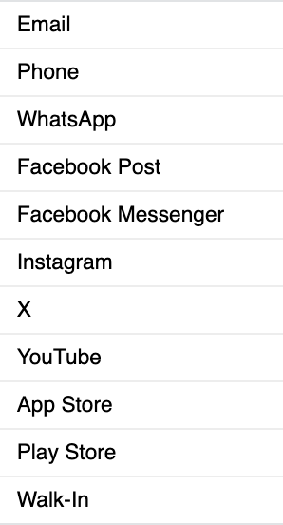
No | Question | Origin CHM
1 | Origin needs to be aligned with Origin in CHM.
2 | Is there any mapping of requester name with CIF?
3 | Are requester created & ticket created always the same?
4 | Does the flagging ticket function equal 1?
5 | Can assignee id be translated to agent id, which is PN + NIK?
6 | Is there any historical interaction available?

